Sheet1
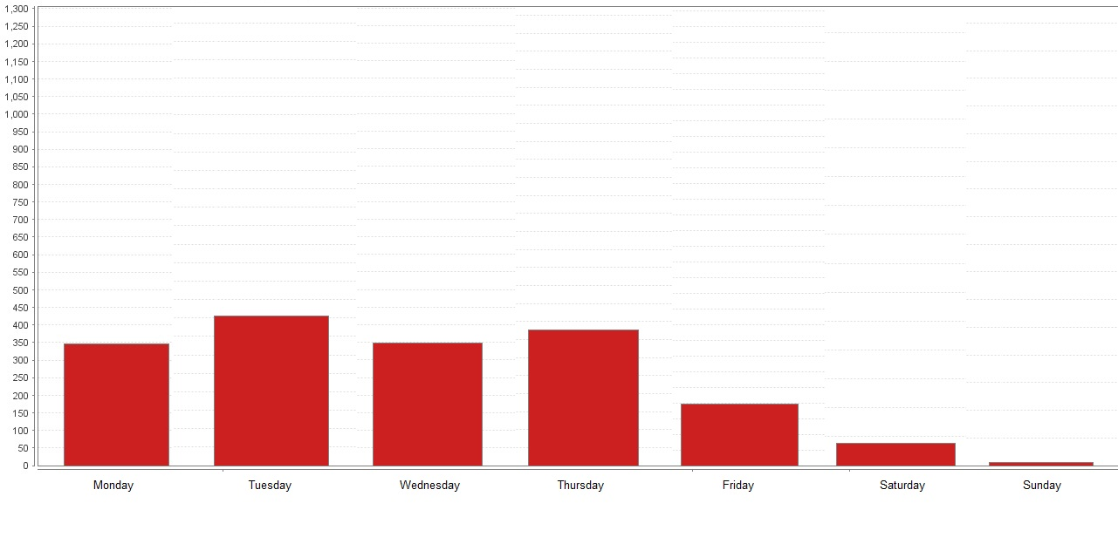
Water Tower Campus (WTC) Courses on the whole Week. | * Extracted from Rapidminer

Sheet2
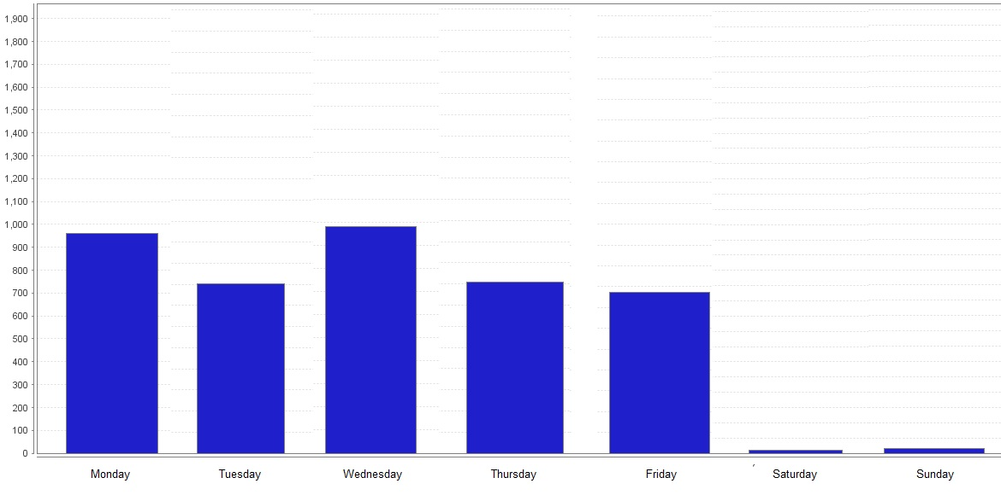
Lake Shore Campus (LSC) Courses on the whole Week. | * Extracted from Rapidminer

